Approval
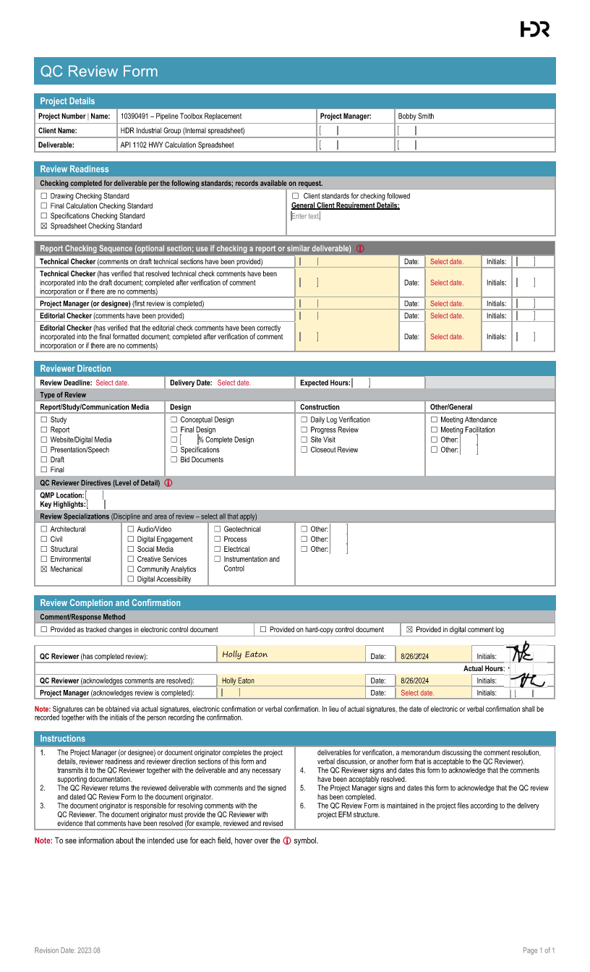

Hand Calcs
Pipe and Operational Characteristics
Pipe Diameter | 12 | in
D - Pipe Outside Diameter | 12.75 | in
tw - Wall Thickness | 0.375 | in
SMYS | 65000 | psi
Design Class Location | 1 |  |  |  |  | 2 Minimum For RR crossings
F - Design Factor | 0.72
Pipe Class | Electric Resistance Welded
E - Longitudinal Joint Factor | 1
Pipe Material | Steel
Es - Young's Modulus | 29,000,000.00 | psi |  |  |  | Typically | 29000000
v - Poisson's Ratio | 0.3
α - Coefficient of thermal expansion | 0.0000065 | 1/°F
T - Temperature Derating Factor | 1 |  |  |  |  | Typically equal to 1 near ambient temperature
T2 - Operating Temperature | 70 | °F
P - Operating Pressure | 1000 | psi

Installation and Site Characteristics
Soil Type | Loose sands and gravels
E' - Modulus of Soil Reaction | 500 | psi
Er - Resilient Modulus | 10000 | psi
γ - Average Unit Weight of Soil | 120 | lb/ft3 |  |  |  | Typically equal to 120 PCF
H - Pipe Depth | 6 | ft
Bd - Bored Diameter | 14.75 | inch |  |  |  | Typically equal to D+2
Pavement Type | Flexible
Critical Configuration | Tandem Axle |  |  |  |  | Typically Tandem Axle
Design Wheel Load | 10000 | lbs
T1 - Installation Temperature | 70 | °F

Result | Spreadsheet Calculation |  | Hand Calc Formulas | Hand Calc Results |  | Source
Shi(Barlow) - Hoop Stress | 17000 | psi | 17000 = 1000*12.75/(2*0.375) | 17000
Allowable Hoop Stress | 46800 | psi | 46800 = 0.72*1*1*65000 | 46800
 |  |  |  |  |  |  |  | Stiffness Factor - Earth Load
Khe - Stiffness Factor for Earth Load Circumferential Stress | 1143.4705882 |  |  |  |  | Refer To "Stiffness Factor - Earth Load" Chart |  | Data
Be - Burial Factor for Earth Load Circumferential Stress | 1.0658474576 |  |  |  |  | Refer To "Burial Factor - Earth Load" Chart |  | E' | 500 | psi
Ee - Excavation Factor for Earth Load Circumferential Stress | 1.1041078431 |  |  |  |  | Refer To "Excavation Factor - Earth Load" Chart |  | tw/D | 0.029411764706
SHe - Circumferential Stress from Earth Load | 1191.4593771 | psi | 1191.46 = 1143.47*1.066*1.104*(120/1728)*12.75 | 1191.4593771

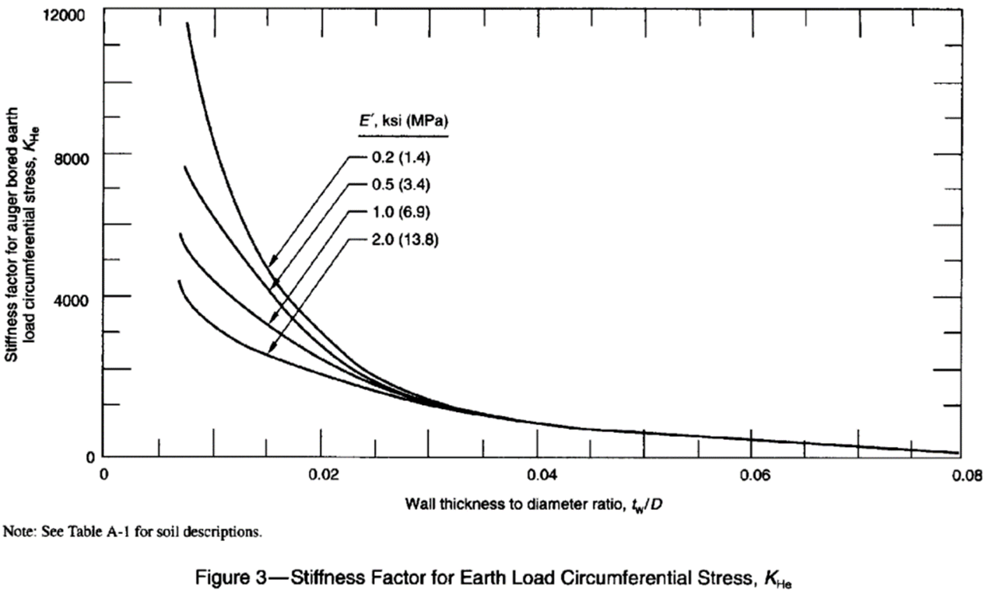
Fi - Impact Factor | 1.4762195122 |  |  |  |  | Refer To "Impact Factor" Chart

KHh - Highway Stiffness Factor for Cyclic Circumferential Stress | 10.694294326 |  |  |  |  | Refer To "Stiffness Factor - Circum." Chart
GHh - Highway Geometry Factor for Cyclic Circumferential Stress | 1.01675 |  |  |  |  | Refer To "Geometry Factor - Circum." Chart
R - Highway Pavement Type Factor | 1 |  |  |  |  | Refer To "Pavement and Axle Type" Chart
L - Axle Configuration Factor | 1 |  |  |  |  | Refer To "Pavement and Axle Type" Chart
SHh - Highway Cyclic Circumferential Stress | 1114.6916883 | psi | 1114.69 = 10.69*1.017*1*1*1.476*10000/144 | 1114.6916883
KLh - Highway Stiffness Factor Cyclic Longitudinal Stress | 8.5006470588 |  |  |  |  | Refer To "Stiffness Factor - Long." Chart
GLh - Highway Geometry Factor Cyclic Longitudinal Stress | 1.0025 |  |  |  |  | Refer To "Geometry Factor - Long." Chart
SLh - Highway Cyclic Longitudinal Stress | 873.62452133 | psi | 873.62 = 8.5*1.003*1*1*1.476*10000/144 | 873.62452133

Shi - Circumferential Stress Due to Internal Pressurization | 16500 | psi | 16500 = 1000*(12.75-0.375)/(2*0.375) | 16500
S1 - Maximum Circumferential Stress | 18806.151065 | psi | 18806.15 = 1191.46+1114.69+16500 | 18806.151065
S2 - Maximum Longitudinal Stress | 6181.0623344 | psi | 6181.06 = 873.62-29000000*0.0000065*0+0.3*(1191.46+16500) | 6,181.06
S3 - Maximum Radial Stress Result | -1000 | psi | -1000 = -1000 | -1000
Seff - Total Effective Stress | 17367.270104 | psi | 17367.27 = √(½*[(18806.15-6181.06)²+(6181.06--1000)²+(-1000-18806.15)²]) | 17367.270104

Allowable Effective Stress | 46800 | psi | 46800 = 65000*0.72 | 46800

Fatigue Resistance of Girth Welds | 12000 | psi |  |  |  | Refer To "Fatigue Endurance Limits Chart" for SFG
Fatigue Resistance of Longitudinal Welds | 23000 | psi |  |  |  | Refer To "Fatigue Endurance Limits Chart" for SFL
Allowable Stress of Girth Welds | 8640 | psi | 8640 = 12000*0.72 | 8640
Allowable Stress of Longitudinal Welds | 16560 | psi | 16560 = 23000*0.72 | 16560

Stress | Calculated (psi) | Allowable (psi) | Pass/Fail
Barlow Stress | 17000 | 46800 | Pass
Effective Stress | 17367.270104 | 46800 | Pass
Girth Welds | 873.62452133 | 8640 | Pass
Long. Welds | 1114.6916883 | 16560 | Pass

 | Hand Calcs Formulas For Stresses
 | 17000 = 1000*12.75/(2*0.375) | 46800 = 0.72*1*1*65000
 | 17367.27 = √(½*[(18806.15-6181.06)²+(6181.06--1000)²+(-1000-18806.15)²]) | 46800 = 65000*0.72
 | 873.62 = 8.5*1.003*1*1*1.48*10000/144 | 8640 = 12000*0.72
 | 1114.69 = 10.69*1.017*1*1*1.48*10000/144 | 16560 = 23000*0.72

Values Used in Charts |  |  |  |  | Values Applicable
Stiffness Factor - Earth Load | E' | 500 | psi |  | E' | 500 | psi
Stiffness Factor - Earth Load | tw/D | 0.029411764706 |  |  | tw/D | 0.029411764706
Burial Factor - Earth Load | H/Bd | 5.6470588235
Excavation Factor - Earth Load | Bd/D | 1.1568627451
Impact Factor | H | 6 | ft
Stiffness Factor - Circum. | Er | 10000 | psi
Stiffness Factor - Circum. | tw/D | 0.029411764706
Geometry Factor - Circum. | H | 6 | ft
Geometry Factor - Circum. | D | 12.75 | in
Pavement and Axle Type | Pavement Type | Flexible
Pavement and Axle Type | Critical Case | Tandem Axle
Pavement and Axle Type | H | 6 | ft
Pavement and Axle Type | D | 12.75 | in
Stiffness Factor - Long. | Er | 10000 | psi
Stiffness Factor - Long. | tw/D | 0.029411764706
Geometry Factor - Long. | H | 6 | ft
Geometry Factor - Long. | D | 12.75 | in
Fatigue Endurance Limits | SMYS | 65000 | psi

Tables
 | Nominal Pipe Diameter | 1/4 | 3/8 | 1/2 | 3/4 | 1 | 1-1/4 | 1-1/2 | 2 | 2-1/2 | 3 | 3-1/2 | 4 | 4-1/2 | 5 | 6 | 8 | 10 | 12 | 14 | 16 | 18 | 20 | 24 | 26 | 30 | 36 | 42 | 48 |  | Source: A53/A53M − 24, Table X.2
 | Actual Pipe Diameter | 0.540 | 0.675 | 0.840 | 1.050 | 1.315 | 1.660 | 1.900 | 2.375 | 2.875 | 3.500 | 4.000 | 4.500 | 5.000 | 5.563 | 6.625 | 8.625 | 10.750 | 12.750 | 14.000 | 16.000 | 18.000 | 20.000 | 24.000 | 26.000 | 30.000 | 36.000 | 42.000 | 48.000
 | Wall Thickness | 0.065 | 0.065 | 0.083 | 0.083 | 0.109 | 0.109 | 0.109 | 0.109 | 0.120 | 0.120 | 0.120 | 0.120 | 0.247 | 0.134 | 0.134 | 0.148 | 0.165 | 0.180 | 0.188 | 0.188 | 0.188 | 0.218 | 0.250 | 0.250 | 0.312 | 0.312 | 0.375 | 0.375
 |  | 0.088 | 0.091 | 0.109 | 0.113 | 0.133 | 0.140 | 0.145 | 0.154 | 0.203 | 0.216 | 0.226 | 0.125 | 0.355 | 0.156 | 0.188 | 0.188 | 0.188 | 0.203 | 0.210 | 0.219 | 0.250 | 0.250 | 0.281 | 0.281 | 0.375 | 0.375 | 0.500 | 0.500
 |  | 0.119 | 0.126 | 0.147 | 0.154 | 0.179 | 0.191 | 0.200 | 0.218 | 0.276 | 0.300 | 0.318 | 0.156 |  | 0.188 | 0.219 | 0.203 | 0.203 | 0.219 | 0.219 | 0.250 | 0.281 | 0.281 | 0.312 | 0.312 | 0.438 | 0.500
 |  |  |  | 0.188 | 0.219 | 0.250 | 0.250 | 0.281 | 0.344 | 0.375 | 0.438 | 0.636 | 0.188 |  | 0.219 | 0.250 | 0.219 | 0.219 | 0.250 | 0.250 | 0.281 | 0.312 | 0.312 | 0.344 | 0.344 | 0.500 | 0.625
 |  |  |  | 0.294 | 0.308 | 0.358 | 0.358 | 0.400 | 0.436 | 0.552 | 0.600 |  | 0.219 |  | 0.258 | 0.280 | 0.250 | 0.250 | 0.281 | 0.281 | 0.312 | 0.344 | 0.344 | 0.375 | 0.375 | 0.625 | 0.750
 |  |  |  |  |  | 0.382 |  |  |  |  |  |  | 0.237 |  | 0.281 | 0.312 | 0.277 | 0.279 | 0.312 | 0.312 | 0.344 | 0.375 | 0.375 | 0.406 | 0.406
 |  |  |  |  |  |  |  |  |  |  |  |  | 0.250 |  | 0.312 | 0.344 | 0.312 | 0.307 | 0.330 | 0.344 | 0.375 | 0.438 | 0.406 | 0.438 | 0.438
 |  |  |  |  |  |  |  |  |  |  |  |  | 0.281 |  | 0.344 | 0.375 | 0.322 | 0.344 | 0.344 | 0.375 | 0.438 | 0.469 | 0.438 | 0.469 | 0.500
 |  |  |  |  |  |  |  |  |  |  |  |  | 0.312 |  | 0.375 | 0.432 | 0.344 | 0.365 | 0.375 | 0.438 | 0.500 | 0.500 | 0.469 | 0.500 | 0.562
 |  |  |  |  |  |  |  |  |  |  |  |  | 0.337 |  | 0.500 | 0.500 | 0.375 | 0.438 | 0.406 | 0.469 | 0.656 | 0.562 | 0.500 | 0.562
 |  |  |  |  |  |  |  |  |  |  |  |  | 0.438 |  | 0.625 | 0.562 | 0.406 | 0.500 | 0.438 | 0.500 | 0.812 | 0.656 | 0.594 | 0.688
 |  |  |  |  |  |  |  |  |  |  |  |  | 0.531 |  | 0.750 | 0.719 | 0.438 | 0.594 | 0.500 | 0.594 | 0.844 | 0.688 | 0.812 | 0.938
 |  |  |  |  |  |  |  |  |  |  |  |  | 0.674 |  |  | 0.864 | 0.500 | 0.719 | 0.562 | 0.750 | 1.031 | 0.750 | 1.031 | 0.969
 |  |  |  |  |  |  |  |  |  |  |  |  |  |  |  |  | 0.594 | 0.844 | 0.688 | 0.938 | 1.220 | 0.938 | 1.281 | 1.219
 |  |  |  |  |  |  |  |  |  |  |  |  |  |  |  |  | 0.719 | 1.000 | 0.844 | 1.094 | 1.281 | 1.156 | 1.500 | 1.531
 |  |  |  |  |  |  |  |  |  |  |  |  |  |  |  |  | 0.812 | 1.125 | 1.000 | 1.250 | 1.438 | 1.375 | 1.750 | 1.812
 |  |  |  |  |  |  |  |  |  |  |  |  |  |  |  |  | 0.875 |  | 1.125 | 1.406 | 1.500 | 1.531 | 1.969 | 2.062
 |  |  |  |  |  |  |  |  |  |  |  |  |  |  |  |  | 0.906 |  | 1.312 | 2.000 | 1.594 | 1.562 |  | 2.344
 |  |  |  |  |  |  |  |  |  |  |  |  |  |  |  |  |  |  |  | 2.125 | 1.750 | 1.781
 |  |  |  |  |  |  |  |  |  |  |  |  |  |  |  |  |  |  |  | 2.200 | 1.969 | 1.812
 |  |  |  |  |  |  |  |  |  |  |  |  |  |  |  |  |  |  |  | 2.500 |  | 2.062
 |  |  |  |  |  |  |  |  |  |  |  |  |  |  |  |  |  |  |  |  |  | 2.344

 | Selected Nominal Pipe Diameter | Wall Thickness Options
 | 12 | 0.180 | 0.203 | 0.219 | 0.250 | 0.281 | 0.312 | 0.330 | 0.344 | 0.375 | 0.406 | 0.438 | 0.500 | 0.562 | 0.688 | 0.844 | 1.000 | 1.125 | 1.312 |  |  |  |  | <--This table is used to populate wall thickness dropdown options based on the pipe diameter that is selected

Pipe Specification | Grades |  |  |  |  |  |  |  |  |  |  |  |  |  |  |  |  |  |  |  |  |  |  |  |  |  |  |  |  |  |  | Source: Per grades listed within individual codes (ASTM A53, ASTM A106, ASTM A333, ASTM A671, ASTM A672, ASTM A691, API 5L)
ASTM A53 | A | B
ASTM A106 | A | B
ASTM A333 | Grade 1 | Grade 3 | Grade 4 | Grade 6 | Grade 7 | Grade 8 | Grade 9 | Grade 10 | Grade 11
ASTM A671 | CA55 | CB60 | CB65 | CB70 | CC60 | CC65 | CC70 | CD70 | CD80 | CF65 | CF70 | CF66 | CF71 | CG100 | CH100 | CJ101 | CJ102 | CJ103 | CJ104 | CJ105 | CJ106 | CJ107 | CJ108 | CJ109 | CJ110 | CJ111 | CJ112 | CJ113 | CK75 | CP65 | CP75
ASTM A672 | A45 | A50 | A55 | B60 | B65 | B70 | C55 | C60 | C65 | C70 | D70 | D80 | H75 | H80 | J80 | J90 | J100 | K75 | K85 | L65 | L70 | L75 | N75
ASTM A691 | CM-65 | CM-70 | CM-75 | CMSH-70 | CMS-75 | CMSH-80 | 1/2 CR | 1 CR | 1 1/4 CR | 2 1/4 CR | 3CR | 5CR | 9CR | 91
API 5L | X42 | X46 | X52 | X56 | X60 | X65 | X70 | X80
Unknown | Unknown

Pipe Specification | Grades and SMYS |  |  |  |  |  |  |  |  |  |  |  |  |  |  |  |  |  |  |  |  |  |  |  |  |  |  |  |  |  |  | Source: Per grades and SMYS's listed within individual codes (ASTM A53, ASTM A106, ASTM A333, ASTM A671, ASTM A672, ASTM A691, API 5L)
ASTM A53 | A | B
ASTM A53 SMYS | 30000 | 35000
ASTM A106 | A | B
ASTM A106 SMYS | 30000 | 35000
ASTM A333 | Grade 1 | Grade 3 | Grade 4 | Grade 6 | Grade 7 | Grade 8 | Grade 9 | Grade 10 | Grade 11
ASTM A333 SMYS | 30000 | 35000 | 35000 | 35000 | 35000 | 75000 | 46000 | 65000 | 35000
ASTM A671 | CA55 | CB60 | CB65 | CB70 | CC60 | CC65 | CC70 | CD70 | CD80 | CF65 | CF70 | CF66 | CF71 | CG100 | CH100 | CJ101 | CJ102 | CJ103 | CJ104 | CJ105 | CJ106 | CJ107 | CJ108 | CJ109 | CJ110 | CJ111 | CJ112 | CJ113 | CK75 | CP65 | CP75
ASTM A671 SMYS | 30000 | 32000 | 35000 | 38000 | 32000 | 35000 | 38000 | 50000 | 60000 | 37000 | 40000 | 37000 | 40000 | 100000 | 100000 | 100000 | 100000 | 100000 | 100000 | 100000 | 100000 | 100000 | 100000 | 100000 | 100000 | 100000 | 100000 | 100000 | 42000 | 65000 | 75000
ASTM A672 | A45 | A50 | A55 | B60 | B65 | B70 | C55 | C60 | C65 | C70 | D70 | D80 | H75 | H80 | J80 | J90 | J100 | K75 | K85 | L65 | L70 | L75 | N75
ASTM A672 SMYS | 24000 | 27000 | 30000 | 32000 | 35000 | 38000 | 30000 | 32000 | 35000 | 38000 | 50000 | 60000 | 45000 | 50000 | 50000 | 70000 | 83000 | 45000 | 47000 | 37000 | 40000 | 43000 | 42000
ASTM A691 | CM-65 | CM-70 | CM-75 | CMSH-70 | CMS-75 | CMSH-80 | 1/2 CR | 1 CR | 1 1/4 CR | 2 1/4 CR | 3CR | 5CR | 9CR | 91
ASTM A691 SMYS | 37000 | 40000 | 43000 | 50000 | 42000 | 60000 | 45000 | 40000 | 45000 | 45000 | 45000 | 45000 | 45000 | 60000
API 5L | X42 | X46 | X52 | X56 | X60 | X65 | X70 | X80
API 5L SMYS | 42000 | 46000 | 52000 | 56000 | 60000 | 65000 | 70000 | 80000
Unknown | Unknown
Unknown SMYS | 24000

Selected Pipe Specification | Pipe Grade Options
API 5L | X42 | X46 | X52 | X56 | X60 | X65 | X70 | X80
API 5L SMYS | 42000 | 46000 | 52000 | 56000 | 60000 | 65000 | 70000 | 80000 | 0 | 0 | 0 | 0 | 0 | 0 | 0 | 0 | 0 | 0 | 0 | 0 | 0 | 0 | 0 | 0 | 0 | 0 | 0 | 0 | 0 | 0 | 0

Pipe Specification | Weld Seam Type |  |  |  |  | Source: Per seam factors listed within individual codes (ASTM A53, ASTM A106, ASTM A333, ASTM A671, ASTM A672, ASTM A691, API 5L)
ASTM A53 | Seamless | Electric Resistance Welded | Furnace Butt Welded |  |  | <-- This table lists valid weld seam types for each pipe specification
ASTM A53 Weld Seam Factor | 1.0 | 1.0 | 0.6
ASTM A106 | Seamless
ASTM A106 Weld Seam Factor | 1.0
ASTM A333 | Seamless | Electric Resistance Welded | Submerged Arc Welded
ASTM A333 Weld Seam Factor | 1.0 | 1.0 | 1.0
ASTM A671 | Electric Fusion Welded, Even Class | Electric Fusion Welded, Odd Class |  |  |  | <-- ASTM A671 even classes: 1.0. Odd classes: 0.8.
ASTM A671 Weld Seam Factor | 1.0 | 0.8
ASTM A672 | Electric Fusion Welded, Even Class | Electric Fusion Welded, Odd Class |  |  |  | <-- ASTM A672 even classes: 1.0. Odd classes: 0.8.
ASTM A672 Weld Seam Factor | 1.0 | 0.8
ASTM A691 | Electric Fusion Welded, Even Class | Electric Fusion Welded, Odd Class |  |  |  | <-- ASTM A691 even classes: 1.0. Odd classes: 0.8.
ASTM A691 Weld Seam Factor | 1.0 | 0.8
API 5L | Seamless | Electric Resistance Welded | Submerged Arc Welded | Furnace Butt Welded | Combination Welded
API 5L Weld Seam Factor | 1.0 | 1.0 | 1.0 | 0.6 | 1.0
Unknown | Unknown | Unknown |  |  |  | <-- Unknown, under 4": 0.6. Over 4": 0.8
Unknown Weld Seam Factor | 0.8 | 0.6

Selected Pipe Specification | Weld Seam Options |  |  |  |  | <-- This table provides dropdown options for weld seam types for each specification
API 5L | Seamless | Electric Resistance Welded | Submerged Arc Welded | Furnace Butt Welded | Combination Welded
API 5L Weld Seam Factor | 1 | 1 | 1 | 0.6 | 1

 |  |  |  |  |  | Design Factor (As defined in ASME B31.8-2022, Chapter 4, Table 841.114B)
 |  |  |  |  |  |  | Class Location
 |  |  |  |  |  | Pipeline Location | 1 | 2 | 3 | 4
 |  |  |  |  |  | Pipelines, mains, and service lines | 0.72 | 0.6 | 0.5 | 0.4
 |  |  |  |  |  | Crossing Railroads, Public Roads, Highways, or Streets without Casing | 0.6 | 0.5 | 0.5 | 0.4
 |  |  |  |  |  | Crossing Railroads, Public Roads, Highways, or Streets with Casing | 0.72 | 0.6 | 0.5 | 0.4
 |  |  |  |  |  | Parallel encroachment of Railroads, Public Roads, Highways, or Streets | 0.6 | 0.6 | 0.5 | 0.4
 |  |  |  |  |  | Fabricated Assemblies | 0.6 | 0.6 | 0.5 | 0.4
 |  |  |  |  |  | Pipelines on bridges | 0.6 | 0.6 | 0.5 | 0.4
 |  |  |  |  |  | Pressure/Flow Control ans Metering Facilities | 0.6 | 0.6 | 0.5 | 0.4
 |  |  |  |  |  | At Compressor Station | 0.5 | 0.5 | 0.5 | 0.4
Charts |  |  |  |  |  | Near Concentration of people in Location Classes 1 and 2 | 0.5 | 0.5 | 0.5 | 0.4
Stiffness Factor - Earth Load
Burial Factor - Earth Load
Excavation Factor - Earth Load
Impact Factor
Stiffness Factor - Circum.
Geometry Factor - Circum.
Pavement and Axle Type
Stiffness Factor - Long.
Geometry Factor - Long.
Fatigue Endurance Limits

Soil Type Options | E' (psi) | Er (psi)
Soft to medium clays and silts with high plasticities | 200 | 5000
Soft to medium clays and silts with low to medium plasticities | 500 | 5000
Loose sands and gravels | 500 | 10000
Stiff to very stiff clays and silts | 1000 | 10000
Medium Dense sands and gravels | 1000 | 10000
Dense to very dense sands and gravels | 2000 | 20000

Design Class Location | Design Factor
1 | 0.72
2 | 0.6
3 | 0.5
4 | 0.4

Longitudinal Joint Factor
Pipe Class | Longitudinal Joint Factor
Seamless | 1
Electric Resistance Welded | 1
Furnace Butt Welded | 0.6
Double Submerged Arc Welded | 1
Electric-Fusion Welded | 1
Submerged Arc Welded | 1
Unknown Pipe Over 4 Inches | 0.8
Unknown Pipe 4 Inches or Less | 0.6

Typical Material Properties
Material | Elastic Modulus (psi) | Poisson's Ratio | Coefficient of Thermal Expansion(1/10^-6F
Steel | 29000000 | 0.3 | 0.0000065
Aluminum | 10000000 | 0.33 | 0.0000131
Cast Iron | 14500000 | 0.21 | 0.0000067
Wood (Fir) | 1600000 | 0.33 | 0.0000017
Brass | 14800000 | 0.33 | 0.0000104
Copper | 17000000 | 0.36 | 0.0000093
Bronze | 13900000 | 0.34 | 0.00001
Magnesium | 6500000 | 0.35 | 0.000014
Glass | 10200000 | 0.22 | 0.000005
Polystyrene | 300000 | 0.34 | 0.0000389

Pipe Size | Outside Diameter
1/8 | 0.405
1/4 | 0.54
3/8 | 0.675
1/2 | 0.84
3/4 | 1.05
1 | 1.315
1-1/4 | 1.66
1-1/2 | 1.9
2 | 2.375
2-1/2 | 2.875
3 | 3.5
3-1/2 | 4
4 | 4.5
5 | 5.563
6 | 6.625
8 | 8.625
10 | 10.75
12 | 12.75
14 | 14
16 | 16
18 | 18
20 | 20
22 | 22
24 | 24
26 | 26
28 | 28
30 | 30
32 | 32
34 | 34
36 | 36
38 | 38
40 | 40
42 | 42
44 | 44
46 | 46
48 | 48

Pavement Type
Flexible
None
Rigid

Critical Case | Design Wheel Load
Tandem Axle | 10000
Single Axle | 12000

SMYS's
24000
30000
35000
42000
46000
52000
56000
60000
65000
70000
80000

Stiffness Factor for Earth Load Circumferential Stress
E = .2 ksi |  | E = .5 ksi |  | E = 1 ksi |  | E = 2 ksi
X (tw/D) | Y (Khe) | X (tw/D) | Y (Khe) | X (tw/D) | Y (Khe) | X (tw/D) | Y (Khe)
0 | 11632 | 0 | 7625 | 0 | 5772 | 0 | 4443
Stiffness Factor For Earth Load Circumferential Stress
0.00726 | 11632 | 0.00726 | 7625 | 0.00738 | 5772 | 0.00726 | 4443
0.00811 | 11632 | 0.00792 | 7625 | 0.00775 | 5449 | 0.00775 | 4000
0.00825 | 11338 | 0.00825 | 7286 | 0.00825 | 5175 | 0.00825 | 3804
0.01 | 8552 | 0.01 | 6280 | 0.01 | 4499 | 0.01 | 3208
0.0125 | 6564 | 0.0125 | 5374 | 0.0125 | 3882 | 0.0125 | 2777
0.015 | 4873 | 0.015 | 4305 | 0.015 | 3261 | 0.015 | 2404
0.0175 | 3900 | 0.0175 | 3476 | 0.0175 | 2791 | 0.0175 | 2145
0.02 | 3000 | 0.02 | 2663 | 0.02 | 2292 | 0.02 | 1852
0.025 | 1781 | 0.025 | 1642 | 0.025 | 1545 | 0.025 | 1387
0.03 | 1153 | 0.03 | 1077 | 0.03 | 1066 | 0.03 | 1000
0.035 | 819 | 0.035 | 819 | 0.035 | 819 | 0.035 | 819
0.04 | 642 | 0.04 | 642 | 0.04 | 642 | 0.04 | 642
0.045 | 525 | 0.045 | 525 | 0.045 | 525 | 0.045 | 525
0.05 | 460 | 0.05 | 460 | 0.05 | 460 | 0.05 | 460
0.055 | 393 | 0.055 | 393 | 0.055 | 393 | 0.055 | 393
0.06 | 335 | 0.06 | 335 | 0.06 | 335 | 0.06 | 335
0.065 | 273 | 0.065 | 273 | 0.065 | 273 | 0.065 | 273
0.07 | 207 | 0.07 | 207 | 0.07 | 207 | 0.07 | 207
0.075 | 143 | 0.075 | 143 | 0.075 | 143 | 0.075 | 143
0.08 | 88 | 0.08 | 88 | 0.08 | 88 | 0.08 | 88
5 | 88 | 5 | 88 | 5 | 88 | 5 | 88

Burial Factor Earth Load
Type A |  | Type B
X (H/Bd) | Y (Be) | X (H/Bd) | Y (Be)
0 | 0 | 0 | 0
1 | 0.321 | 1 | 0.321
2 | 0.644 | 2 | 0.631
3 | 0.844 | 3 | 0.776
4 | 0.983 | 4 | 0.893
5 | 1.077 | 5 | 0.964
6 | 1.162 | 6 | 1.032
7 | 1.215 | 7 | 1.071
8 | 1.26 | 8 | 1.108
Burial Factor Earth Load
0 | 0 | 0 | 1
1 | 0.321 | 0.321
2 | 0.644 | 0.631
3 | 0.844 | 0.776
4 | 0.983 | 0.893
5 | 1.077 | 0.964
6 | 1.162 | 1.032
7 | 1.215 | 1.071
8 | 1.26 | 1.108
9 | 1.295 | 1.133
10 | 1.325 | 1.152
11 | 1.342 | 1.164
12 | 1.356 | 1.172
13 | 1.363 | 1.173
14 | 1.364 | 1.173
15 | 1.364 | 1.173
16 | 1.364 | 1.173
17 | 1.364 | 1.173
18 | 1.364 | 1.173
19 | 1.364 | 1.173
20 | 1.364 | 1.173
21 | 1.364 | 1.173
22 | 1.364 | 1.173
23 | 1.364 | 1.173
24 | 1.364 | 1.173
25 | 1.364 | 1.173
26 | 1.364 | 1.173
27 | 1.364 | 1.173
28 | 1.364 | 1.173
29 | 1.364 | 1.173
30 | 1.364 | 1.173
31 | 1.364 | 1.173
32 | 1.364 | 1.173
9 | 1.295 | 9 | 1.133
10 | 1.325 | 10 | 1.152
11 | 1.342 | 11 | 1.164
12 | 1.356 | 12 | 1.172
13 | 1.363 | 13 | 1.173
14 | 1.364 | 14 | 1.173
15 | 1.364 | 15 | 1.173
16 | 1.364 | 16 | 1.173
17 | 1.364 | 17 | 1.173
18 | 1.364 | 18 | 1.173
19 | 1.364 | 19 | 1.173
20 | 1.364 | 20 | 1.173
21 | 1.364 | 21 | 1.173
22 | 1.364 | 22 | 1.173
23 | 1.364 | 23 | 1.173
24 | 1.364 | 24 | 1.173
25 | 1.364 | 25 | 1.173
26 | 1.364 | 26 | 1.173
27 | 1.364 | 27 | 1.173
28 | 1.364 | 28 | 1.173
29 | 1.364 | 29 | 1.173
30 | 1.364 | 30 | 1.173
31 | 1.364 | 31 | 1.173
32 | 1.364 | 32 | 1.173
60 | 1.364 | 60 | 1.173
Excavation Factor
Excavation Factor
X (Bd/D) | Y (Ee)
1 | 0.8307
1.05 | 0.909
1.1 | 0.9966
1.15 | 1.0903
1.2 | 1.1909
1.25 | 1.2941
1.3 | 1.4
5 | 9.2366
Impact Factor
 | 0 | 1
 | 5.22
 | 21.62
Impact Factor
Y (H) | X (Fi)
0 | 1.5
5.22 | 1.5
21.62 | 1
100 | 1

Highway Stiffness Factor for Cyclic Circumferential Stress
Er = 5 ksi |  | Er = 10 ksi |  | Er = 20 ksi
X (tw/D) | Y (KHh) | X (tw/D) | Y (KHh) | X (tw/D) | Y (KHh)
Highway Stiffness Factor for Cyclic Circumferential Stress
0.01018 | 19.819 | 0.01018 | 12.714 | 0.01018 | 6.856
0.01061 | 19.819 | 0.01061 | 13.066 | 0.01061 | 7.217
0.01211 | 20.376 | 0.01211 | 14.063 | 0.01211 | 8.103
0.01394 | 20.676 | 0.01394 | 14.603 | 0.01394 | 8.786
0.01541 | 20.632 | 0.01541 | 14.746 | 0.01541 | 9.121
0.01729 | 20.339 | 0.01729 | 14.641 | 0.01729 | 9.387
0.02018 | 19.387 | 0.02018 | 14.101 | 0.02018 | 9.51
0.02425 | 17.249 | 0.02425 | 12.5 | 0.02425 | 9.323
0.02991 | 13.464 | 0.02991 | 10.52 | 0.02991 | 8.447
0.03582 | 10.35 | 0.03582 | 8.765 | 0.03582 | 7.2
0.04007 | 8.681 | 0.04007 | 7.613 | 0.04007 | 6.367
0.04484 | 7.077 | 0.04484 | 6.552 | 0.04484 | 5.55
0.05012 | 5.914 | 0.05012 | 5.465 | 0.05012 | 4.734
0.05496 | 5.15 | 0.05496 | 4.6 | 0.05496 | 4.036
0.05999 | 4.153 | 0.05999 | 3.785 | 0.05999 | 3.326
0.06488 | 3.465 | 0.06488 | 3.124 | 0.06488 | 2.753
0.07005 | 2.823 | 0.07005 | 2.494 | 0.07005 | 2.186
0.07493 | 2.323 | 0.07493 | 2.035 | 0.07493 | 1.727
0.08 | 1.906 | 0.08 | 1.605 | 0.08 | 1.301
5 | 1.906 | 5 | 1.605 | 5 | 1.301

Highway Geometry Factor for Cyclic Circumferential Stress
Highway Geometry Factor for Cyclic Circumferential Stress
H = 3' to 4' |  | H = 6' |  | H = 8' |  | H = 10'
X (D) | Y (GHh) | X (D) | Y (GHh) | X (D) | Y (GHh) | X (D) | Y (GHh)
0 | 1.444 | 0 | 1.093 | 0 | 0.853 | 0 | 0.679
2.124 | 1.444 | 2.124 | 1.093 | 2.124 | 0.853 | 2.124 | 0.679
2.35 | 1.444 | 2.35 | 1.105 | 2.35 | 0.864 | 2.35 | 0.689
3.172 | 1.48 | 3.172 | 1.141 | 3.172 | 0.885 | 3.172 | 0.711
3.952 | 1.491 | 3.952 | 1.158 | 3.952 | 0.896 | 3.952 | 0.725
4.935 | 1.483 | 4.935 | 1.164 | 4.935 | 0.902 | 4.935 | 0.732
6 | 1.467 | 6 | 1.157 | 6 | 0.9 | 6 | 0.727
8 | 1.413 | 8 | 1.117 | 8 | 0.89 | 8 | 0.713
10 | 1.339 | 10 | 1.072 | 10 | 0.87 | 10 | 0.696
12 | 1.272 | 12 | 1.031 | 12 | 0.844 | 12 | 0.674
14 | 1.223 | 14 | 0.993 | 14 | 0.812 | 14 | 0.653
18 | 1.168 | 18 | 0.932 | 18 | 0.772 | 18 | 0.619
30 | 1.047 | 30 | 0.799 | 30 | 0.673 | 30 | 0.536
40 | 0.963 | 40 | 0.726 | 40 | 0.596 | 40 | 0.477
42 | 0.946 | 42 | 0.714 | 42 | 0.579 | 42 | 0.469
60 | 0.946 | 60 | 0.714 | 60 | 0.579 | 60 | 0.469

Highway Pavement Type Factor and Axle Configuration Factor
Depth < 4 ft and Diameter <= 12 inches |  |  | Depth < 4 ft and Diameter >= 12 inches; Depth > 4 ft for all diameters
 | R | L |  | R | L
Flexible Tandem Axle | 1 | 1 | Flexible Tandem Axle | 1 | 1
Flexible Single Axle | 1 | 0.75 | Flexible Single Axle | 1 | 0.65
None Tandem Axle | 1.1 | 1 | None Tandem Axle | 1.1 | 1
None Single Axle | 1.2 | 0.8 | None Single Axle | 1.1 | 0.65
Rigid Tandem Axle | 0.9 | 1 | Rigid Tandem Axle | 0.9 | 1
Rigid Single Axle | 0.9 | 0.65 | Rigid Single Axle | 0.9 | 0.65

Grade and Pipe Type | Grade | Pipe Type | SFG | SFL
24000 Seamless | 24000 | Seamless | 12000 | 21000
30000 Seamless | 30000 | Seamless | 12000 | 21000
35000 Seamless | 35000 | Seamless | 12000 | 21000
42000 Seamless | 42000 | Seamless | 12000 | 21000
46000 Seamless | 46000 | Seamless | 12000 | 21000
52000 Seamless | 52000 | Seamless | 12000 | 21000
56000 Seamless | 56000 | Seamless | 12000 | 23000
60000 Seamless | 60000 | Seamless | 12000 | 23000
65000 Seamless | 65000 | Seamless | 12000 | 23000
70000 Seamless | 70000 | Seamless | 12000 | 25000
80000 Seamless | 80000 | Seamless | 12000 | 27000
24000 Electric Resistance Welded | 24000 | Electric Resistance Welded | 12000 | 21000
30000 Electric Resistance Welded | 30000 | Electric Resistance Welded | 12000 | 21000
35000 Electric Resistance Welded | 35000 | Electric Resistance Welded | 12000 | 21000
42000 Electric Resistance Welded | 42000 | Electric Resistance Welded | 12000 | 21000
46000 Electric Resistance Welded | 46000 | Electric Resistance Welded | 12000 | 21000
52000 Electric Resistance Welded | 52000 | Electric Resistance Welded | 12000 | 21000
56000 Electric Resistance Welded | 56000 | Electric Resistance Welded | 12000 | 23000
60000 Electric Resistance Welded | 60000 | Electric Resistance Welded | 12000 | 23000
65000 Electric Resistance Welded | 65000 | Electric Resistance Welded | 12000 | 23000
70000 Electric Resistance Welded | 70000 | Electric Resistance Welded | 12000 | 25000
80000 Electric Resistance Welded | 80000 | Electric Resistance Welded | 12000 | 27000
24000 Furnace Butt Welded | 24000 | Furnace Butt Welded | 12000 | 21000
30000 Furnace Butt Welded | 30000 | Furnace Butt Welded | 12000 | 21000
35000 Furnace Butt Welded | 35000 | Furnace Butt Welded | 12000 | 21000
42000 Furnace Butt Welded | 42000 | Furnace Butt Welded | 12000 | 21000
46000 Furnace Butt Welded | 46000 | Furnace Butt Welded | 12000 | 21000
52000 Furnace Butt Welded | 52000 | Furnace Butt Welded | 12000 | 21000
56000 Furnace Butt Welded | 56000 | Furnace Butt Welded | 12000 | 23000
60000 Furnace Butt Welded | 60000 | Furnace Butt Welded | 12000 | 23000
65000 Furnace Butt Welded | 65000 | Furnace Butt Welded | 12000 | 23000
70000 Furnace Butt Welded | 70000 | Furnace Butt Welded | 12000 | 25000
80000 Furnace Butt Welded | 80000 | Furnace Butt Welded | 12000 | 27000
24000 Double Submerged Arc Welded | 24000 | Double Submerged Arc Welded | 12000 | 12000
30000 Double Submerged Arc Welded | 30000 | Double Submerged Arc Welded | 12000 | 12000
35000 Double Submerged Arc Welded | 35000 | Double Submerged Arc Welded | 12000 | 12000
42000 Double Submerged Arc Welded | 42000 | Double Submerged Arc Welded | 12000 | 12000
46000 Double Submerged Arc Welded | 46000 | Double Submerged Arc Welded | 12000 | 12000
52000 Double Submerged Arc Welded | 52000 | Double Submerged Arc Welded | 12000 | 12000
56000 Double Submerged Arc Welded | 56000 | Double Submerged Arc Welded | 12000 | 12000
60000 Double Submerged Arc Welded | 60000 | Double Submerged Arc Welded | 12000 | 12000
65000 Double Submerged Arc Welded | 65000 | Double Submerged Arc Welded | 12000 | 12000
70000 Double Submerged Arc Welded | 70000 | Double Submerged Arc Welded | 12000 | 13000
80000 Double Submerged Arc Welded | 80000 | Double Submerged Arc Welded | 12000 | 14000
24000 Electric-Fusion Welded | 24000 | Electric-Fusion Welded | 12000 | 21000
30000 Electric-Fusion Welded | 30000 | Electric-Fusion Welded | 12000 | 21000
35000 Electric-Fusion Welded | 35000 | Electric-Fusion Welded | 12000 | 21000
42000 Electric-Fusion Welded | 42000 | Electric-Fusion Welded | 12000 | 21000
46000 Electric-Fusion Welded | 46000 | Electric-Fusion Welded | 12000 | 21000
52000 Electric-Fusion Welded | 52000 | Electric-Fusion Welded | 12000 | 21000
56000 Electric-Fusion Welded | 56000 | Electric-Fusion Welded | 12000 | 23000
60000 Electric-Fusion Welded | 60000 | Electric-Fusion Welded | 12000 | 23000
65000 Electric-Fusion Welded | 65000 | Electric-Fusion Welded | 12000 | 23000
70000 Electric-Fusion Welded | 70000 | Electric-Fusion Welded | 12000 | 25000
80000 Electric-Fusion Welded | 80000 | Electric-Fusion Welded | 12000 | 27000
24000 Submerged Arc Welded | 24000 | Submerged Arc Welded | 12000 | 12000
30000 Submerged Arc Welded | 30000 | Submerged Arc Welded | 12000 | 12000
35000 Submerged Arc Welded | 35000 | Submerged Arc Welded | 12000 | 12000
42000 Submerged Arc Welded | 42000 | Submerged Arc Welded | 12000 | 12000
46000 Submerged Arc Welded | 46000 | Submerged Arc Welded | 12000 | 12000
52000 Submerged Arc Welded | 52000 | Submerged Arc Welded | 12000 | 12000
56000 Submerged Arc Welded | 56000 | Submerged Arc Welded | 12000 | 12000
60000 Submerged Arc Welded | 60000 | Submerged Arc Welded | 12000 | 12000
65000 Submerged Arc Welded | 65000 | Submerged Arc Welded | 12000 | 12000
70000 Submerged Arc Welded | 70000 | Submerged Arc Welded | 12000 | 13000
80000 Submerged Arc Welded | 80000 | Submerged Arc Welded | 12000 | 14000
24000 Unknown Pipe Over 4 Inches | 24000 | Unknown Pipe Over 4 Inches | 12000 | 12000
30000 Unknown Pipe Over 4 Inches | 30000 | Unknown Pipe Over 4 Inches | 12000 | 12000
35000 Unknown Pipe Over 4 Inches | 35000 | Unknown Pipe Over 4 Inches | 12000 | 12000
42000 Unknown Pipe Over 4 Inches | 42000 | Unknown Pipe Over 4 Inches | 12000 | 12000
46000 Unknown Pipe Over 4 Inches | 46000 | Unknown Pipe Over 4 Inches | 12000 | 12000
52000 Unknown Pipe Over 4 Inches | 52000 | Unknown Pipe Over 4 Inches | 12000 | 12000
56000 Unknown Pipe Over 4 Inches | 56000 | Unknown Pipe Over 4 Inches | 12000 | 12000
60000 Unknown Pipe Over 4 Inches | 60000 | Unknown Pipe Over 4 Inches | 12000 | 12000
65000 Unknown Pipe Over 4 Inches | 65000 | Unknown Pipe Over 4 Inches | 12000 | 12000
70000 Unknown Pipe Over 4 Inches | 70000 | Unknown Pipe Over 4 Inches | 12000 | 13000
80000 Unknown Pipe Over 4 Inches | 80000 | Unknown Pipe Over 4 Inches | 12000 | 14000
24000 Unknown Pipe 4 Inches or Less | 24000 | Unknown Pipe 4 Inches or Less | 12000 | 12000
30000 Unknown Pipe 4 Inches or Less | 30000 | Unknown Pipe 4 Inches or Less | 12000 | 12000
35000 Unknown Pipe 4 Inches or Less | 35000 | Unknown Pipe 4 Inches or Less | 12000 | 12000
42000 Unknown Pipe 4 Inches or Less | 42000 | Unknown Pipe 4 Inches or Less | 12000 | 12000
46000 Unknown Pipe 4 Inches or Less | 46000 | Unknown Pipe 4 Inches or Less | 12000 | 12000
52000 Unknown Pipe 4 Inches or Less | 52000 | Unknown Pipe 4 Inches or Less | 12000 | 12000
56000 Unknown Pipe 4 Inches or Less | 56000 | Unknown Pipe 4 Inches or Less | 12000 | 12000
60000 Unknown Pipe 4 Inches or Less | 60000 | Unknown Pipe 4 Inches or Less | 12000 | 12000
65000 Unknown Pipe 4 Inches or Less | 65000 | Unknown Pipe 4 Inches or Less | 12000 | 12000
70000 Unknown Pipe 4 Inches or Less | 70000 | Unknown Pipe 4 Inches or Less | 12000 | 13000
80000 Unknown Pipe 4 Inches or Less | 80000 | Unknown Pipe 4 Inches or Less | 12000 | 14000

Highway Stiffness Factor for Cyclic Longitudinal Stress
Highway Stiffness Factor for Cyclic Longitudinal Stress
Er = 5 ksi |  | Er = 10 ksi |  | Er = 20 ksi
X (tw/D) | Y (KLh) | X (tw/D) | Y (KLh) | X (tw/D) | Y (KLh)
0 | 14.659 | 0 | 9.767 | 0 | 6.099
0.0105 | 14.659 | 0.0105 | 9.767 | 0.0105 | 6.099
0.015 | 15 | 0.015 | 10 | 0.015 | 6.584
0.02 | 14.385 | 0.02 | 9.767 | 0.02 | 6.584
0.025 | 13.278 | 0.025 | 9.158 | 0.025 | 6.32
0.03 | 11.77 | 0.03 | 8.413 | 0.03 | 5.764
0.04 | 9.658 | 0.04 | 6.817 | 0.04 | 4.769
0.05 | 8.363 | 0.05 | 5.833 | 0.05 | 3.96
0.06 | 7.574 | 0.06 | 5.199 | 0.06 | 3.393
0.07 | 7.103 | 0.07 | 4.824 | 0.07 | 3.037
0.08 | 6.941 | 0.08 | 4.646 | 0.08 | 2.993
5 | 6.941 | 5 | 4.646 | 5 | 2.993

Highway Geometry Factor for Cyclic Longitudinal Stress
Highway Geometry Factor for Cyclic Longitudinal Stress
H = 3' to 4' |  | H = 6' |  | H = 8' |  | H = 10'
X (D) | Y (GLh) | X (D) | Y (GLh) | X (D) | Y (GLh) | X (D) | Y (GLh)
0 | 2.592 | 0 | 2.592 | 0 | 2.592 | 0 | 2.592
2.297 | 2.592 | 2.297 | 2.592 | 2.297 | 2.592 | 2.297 | 2.592
2.753 | 2.25 | 2.753 | 2.175 | 2.753 | 2.175 | 2.753 | 2.074
3.408 | 2.032 | 3.408 | 1.934 | 3.408 | 1.907 | 3.408 | 1.785
4 | 1.901 | 4 | 1.796 | 4 | 1.745 | 4 | 1.623
4.932 | 1.724 | 4.932 | 1.613 | 4.932 | 1.542 | 4.932 | 1.437
6 | 1.564 | 6 | 1.448 | 6 | 1.373 | 6 | 1.275
8 | 1.348 | 8 | 1.244 | 8 | 1.157 | 8 | 1.064
10 | 1.234 | 10 | 1.115 | 10 | 1.016 | 10 | 0.919
12 | 1.169 | 12 | 1.022 | 12 | 0.918 | 12 | 0.82
14 | 1.13 | 14 | 0.97 | 14 | 0.86 | 14 | 0.763
16 | 1.1 | 16 | 0.952 | 16 | 0.841 | 16 | 0.736
28 | 0.971 | 28 | 0.831 | 28 | 0.713 | 28 | 0.6
42 | 0.775 | 42 | 0.632 | 42 | 0.545 | 42 | 0.457
60 | 0.775 | 60 | 0.632 | 60 | 0.545 | 60 | 0.457

Sources
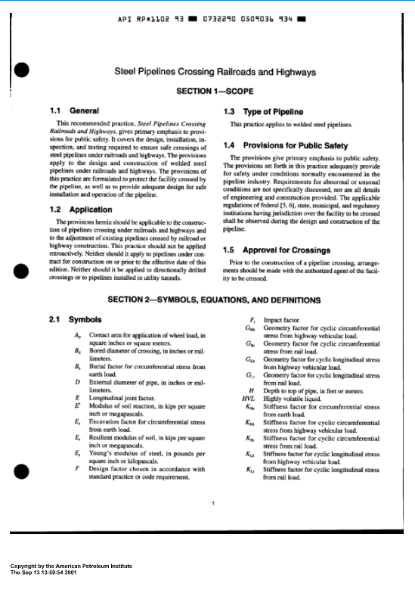
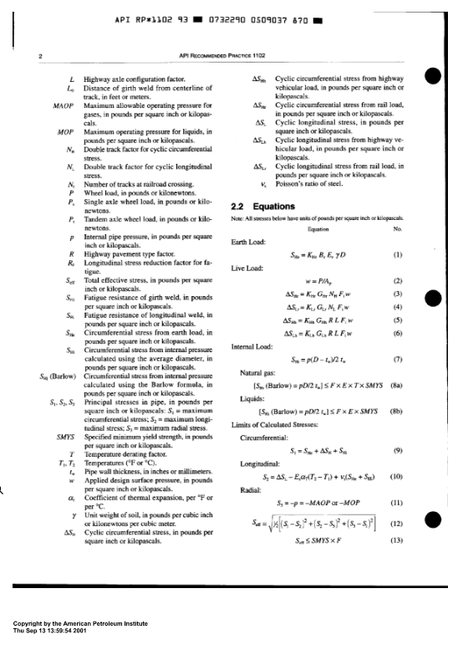
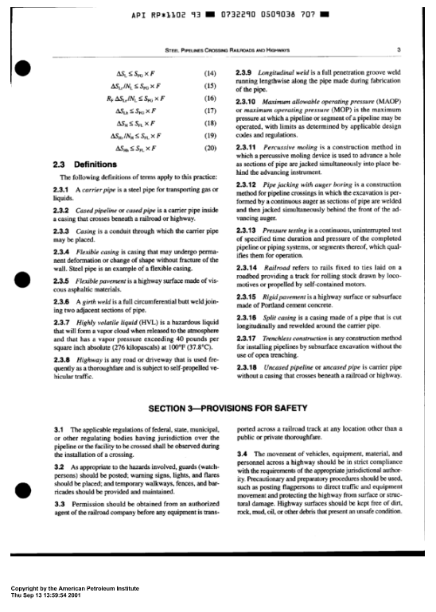
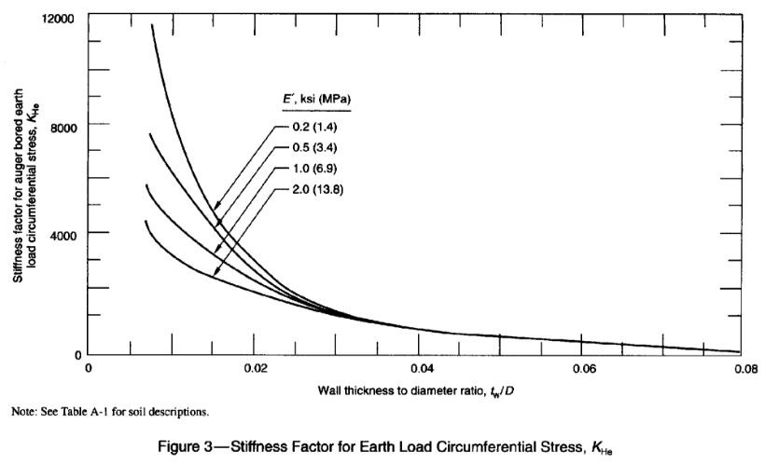
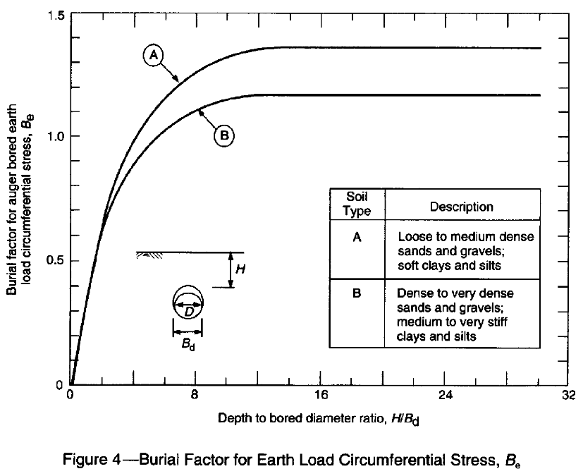
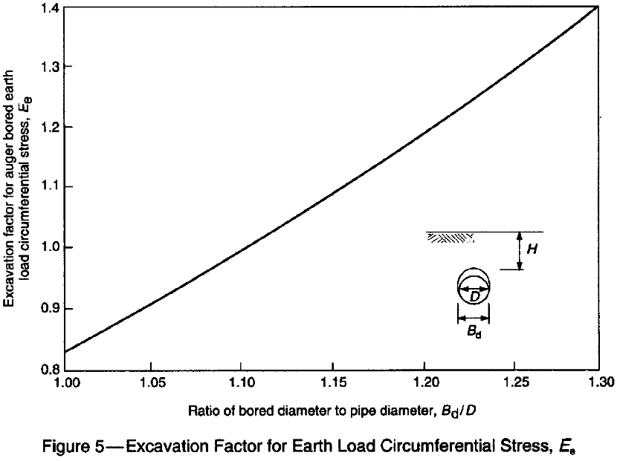
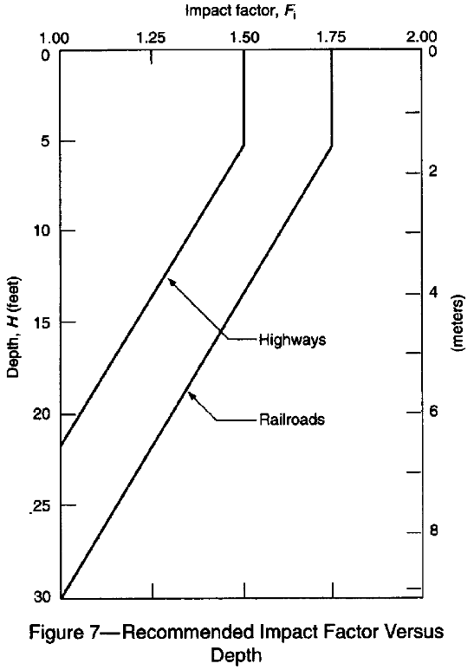
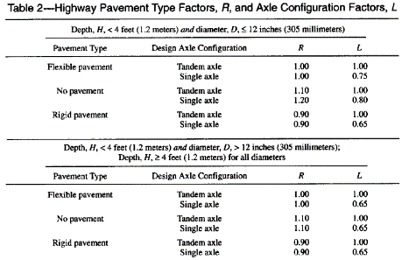
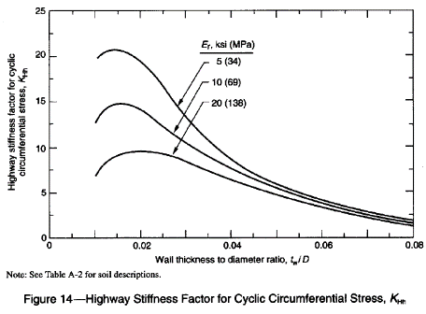
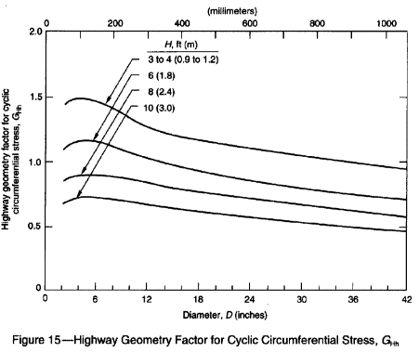
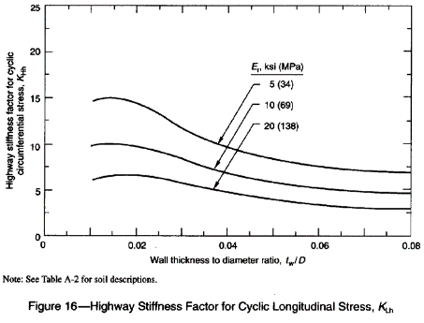
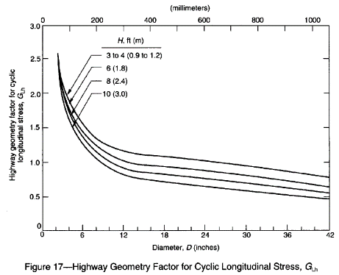
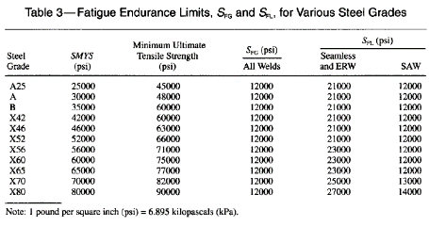
Sources and References

Reference | Description
49 CFR Part 192 Subpart C | Pipe Design - Federal pipeline safety regulations

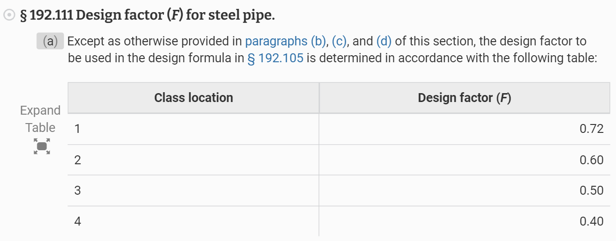

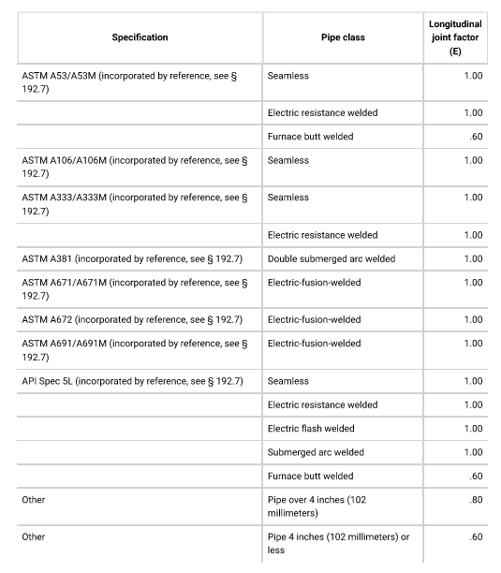

PE Mechanical Reference Handbook | NCEES reference for mechanical PE exam
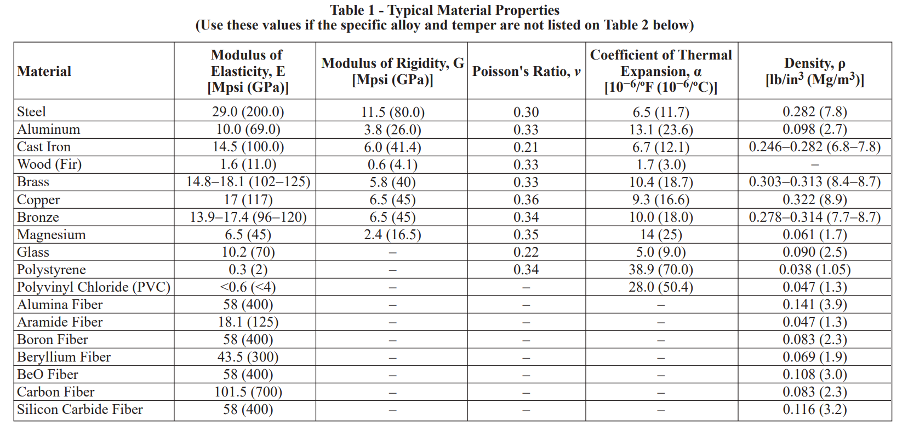

API RP 1102, 7th Ed. (2007, R2022) Steel Pipelines Crossing Railroads and Highways

